Q1
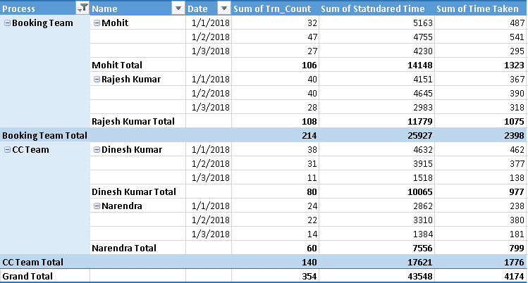
Question 1 | Prepare a pivot (as per screenshot below)

